Hoja1
FW17-AUSTRALIAN BOOTS
 | REFERENCE | COLORS | 36 | 37 | 38 | 39 | 40 | 41 | TOTAL | BOXES
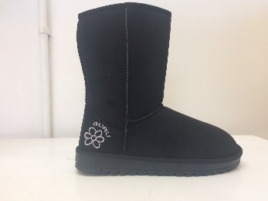 | GL179000 | BLACK | 1 | 2 | 3 | 3 | 2 | 1 | 12 | 115
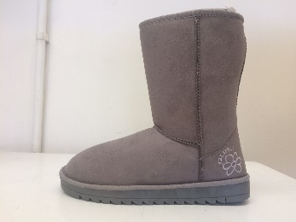 | GL179000 | GREY | 1 | 2 | 3 | 3 | 2 | 1 | 12 | 90
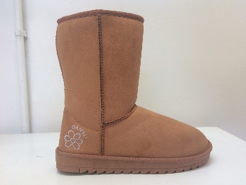 | GL179000 | HONEY (A79) | 1 | 2 | 3 | 3 | 2 | 1 | 12 | 115
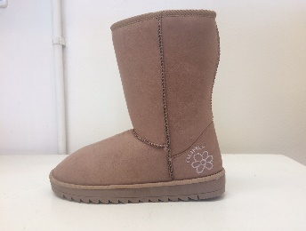 | GL179000 | SAND | 1 | 2 | 3 | 3 | 2 | 1 | 12 | 110
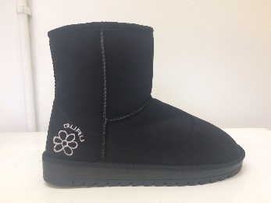 | GL179001 | BLACK | 1 | 2 | 3 | 3 | 2 | 1 | 12 | 110
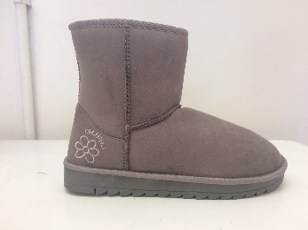 | GL179001 | GREY | 1 | 2 | 3 | 3 | 2 | 1 | 12 | 90
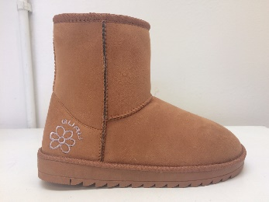 | GL179001 | HONEY (A79) | 1 | 2 | 3 | 3 | 2 | 1 | 12 | 110
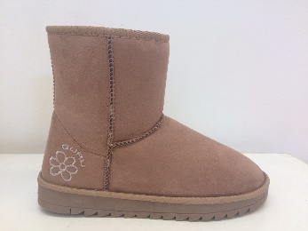 | GL179001 | SAND | 1 | 2 | 3 | 3 | 2 | 1 | 12 | 110
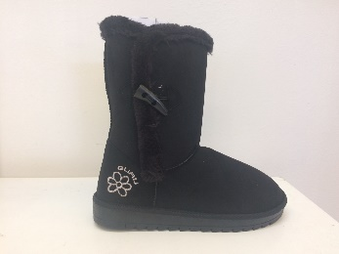 | GL179002 | BLACK | 1 | 2 | 3 | 3 | 2 | 1 | 12 | 120
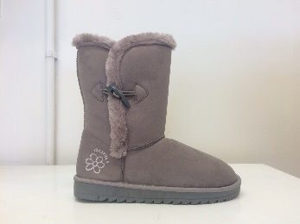 | GL179002 | GREY | 1 | 2 | 3 | 3 | 2 | 1 | 12 | 90
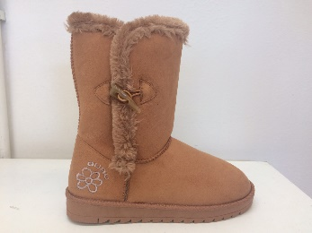 | GL179002 | HONEY (A79) | 1 | 2 | 3 | 3 | 2 | 1 | 12 | 120
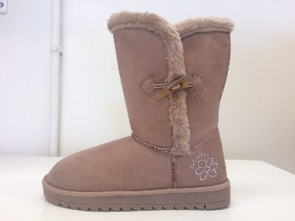 | GL179002 | SAND | 1 | 2 | 3 | 3 | 2 | 1 | 12 | 120
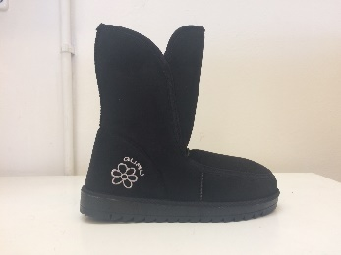 | GL179003 | BLACK | 1 | 2 | 3 | 3 | 2 | 1 | 12 | 90
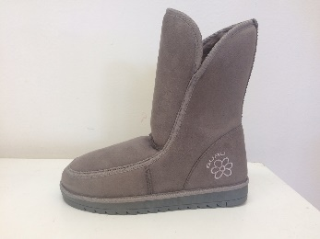 | GL179003 | GREY | 1 | 2 | 3 | 3 | 2 | 1 | 12 | 90
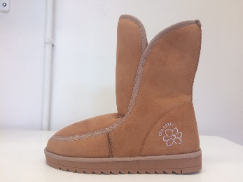 | GL179003 | HONEY (A79) | 1 | 2 | 3 | 3 | 2 | 1 | 12 | 90
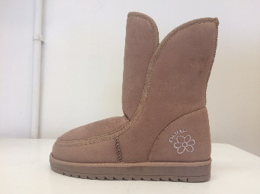 | GL179003 | SAND | 1 | 2 | 3 | 3 | 2 | 1 | 12 | 100
 |  |  |  |  |  |  |  |  |  | 1670

